Gas mileage tracker
GAS |  |  |  |  | 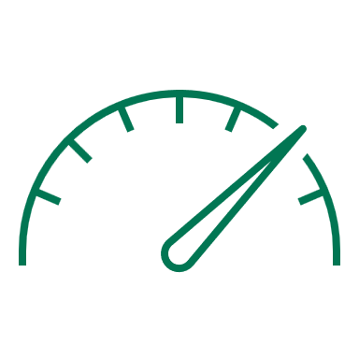
MILEAGE TRACKER
Remember to reset your trip meter each time you get gas!

AVERAGES |  |  |  |  | TRIP ESTIMATOR TOOL

Gallons | Cost | Cost/Gallon | MPG | Cost/Mile | Trip miles: | 380
9.00 | $38.00 | $4.23 | 22 | $0.20 | Trip cost: | $74

DATE | TRIP METER | TOTAL GALLONS | TOTAL FUEL COST | COST/GALLON | MILES/GALLON | COST/MILE
Date | 221.0 | 10.00 | $40.78 | $4.08 | 22.1 | $0.18
Date | 219.8 | 12.00 | $50.12 | $4.18 | 18.3 | $0.23
Date | 180.0 | 8.00 | $32.78 | $4.10 | 22.5 | $0.18
Date | 180.0 | 8.00 | $33.78 | $4.22 | 22.5 | $0.19
Date | 180.0 | 8.00 | $34.78 | $4.35 | 22.5 | $0.19
Date | 180.0 | 8.00 | $35.78 | $4.47 | 22.5 | $0.20

 | 193.5 | 9.00 | $38.00 | $4.23 | 21.7 | $0.20

